General
Windows Security Baseline settings for Intune

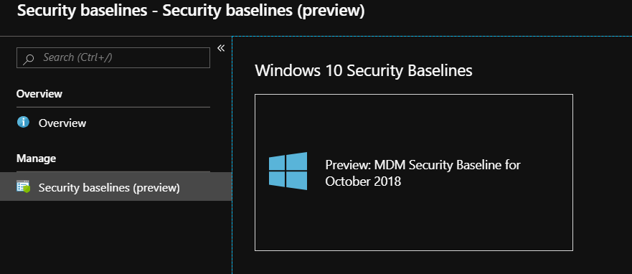

The Windows security baseline settings are in Preview. While in Preview, the list of available settings, and order in which this content presents those settings, will vary with what is available in the portal.
When the baseline settings are out of Preview, this content will update with the non-preview list of security baseline settings that Intune supports.

More information | https://docs.microsoft.com/en-us/intune/security-baseline-settings-windows

Author: Eli Shlomo
Version 1.0
MDM Security Baseline for October 2018 - Overview

